Instructions
The Consolidated PSQ Template 3 allows completing every field of the PSQ Template for a trip in a single row, plus the travelers information at the top.

Fill in all the information in blocks B6 - B13. If a personal passport is used for any trip reported on the form, include the passport information in blocks B9 - B11. If only government official travel was conducted, the passport information is not required.

The POC in the CUI classification block is the traveler. Include both name and work phone number.

The travel number in Column A is just a counter to help keep track of the trips.

If you mark "Y" to the security questions 1 - 7 (in Col I - Col O), add a comment to the cell to give details of what occured.

Per the instructions page, include in the remarks section individuals you visited on the trip. "If the purpose of the trip is to visit friends or family, provide information in remarks section as to whom you visited (foreign national, EXPAT, Active Duty (AD) military assigned abroad, etc.)." If those visited are foreign nationals, the accompanying PSQ Template 1 should be completed.

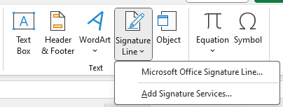
To sign the Consolidated PSQ Template 3, use excel's signature function, which will lock the document. You will need your CAC for the digital signature. Instructions on how to do this are below. | 1
1. Choose "Insert" --> "Signature Line" --> "Microsoft Office Signature Line ..."
2. A dialogue box will open.
--Enter your full name
--Enter Rank or Position
--Enter your work email address
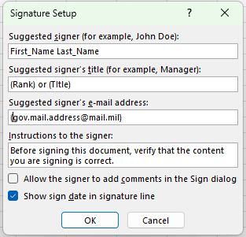
--Click "OK"
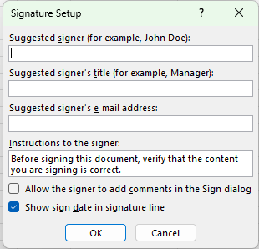
3. A signature block appears on the excel page. | 2
4. Drag it to the row below your last travel entry.
5. Double click the box to sign.
6. A dialogue box opens to sign saying the document needs to be saved.
7. Chose the file location.
8. A signing dialogue box opens
--Type your full name next to the X.
--Your digital signing information should show up as "Signing as:" and "Issued by:"
--Click "Sign"
9. The signature block will capture the date, your typed name, name and Rank or Position, and digital signature information. Double clicking on the signature should pull up the digitial signature information.
**Once signed, the file should not be edited again. For a subsequent set of foreign travel, use a new Consolidated PSQ Template 3.


 | 3-7

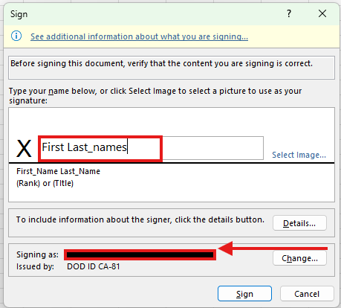
 | 8

 |  |  | Your digital certificate shows up here.

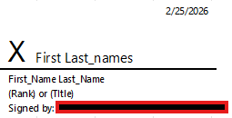
 | 9

 |  | Your digital certificate shows up here.

